Indices

 | Iraq Stock Exchange
 | Bulletin No (189)

 | ISX Trading Indices of Wednesday 22/10/2025

 | Traded Volume and OTC |  | 395,957,438 |  | Traded Value and OTC |  | 748,405,062 |  | Traders | 753

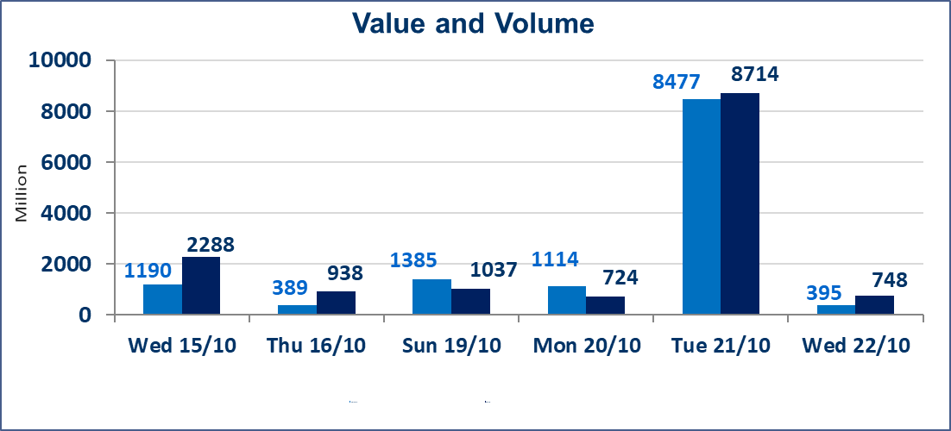
 | ISX Index 60 |  |  | 916.10 | ISX Index 15 |  |  | 1111.21
 | Previous ISX Index60 |  |  | 910.79 | Previous ISX Index15 |  |  | 1106.06
 | Change % |  |  | 0.58 | Change % |  |  | 0.47
 | Change |  |  | 5.31 | Change |  |  | 5.15

 | Listed Companies | 104 | OTC | 11 | Non Traded listed | 44 | OTC | 9
 | Traded Listed Companies | 45 | OTC | 1 | Higher Companies |  |  | 10
 | GAM Companies |  |  | 5 | Lower Companies |  |  | 21
 | Suspended Companies |  |  | 10
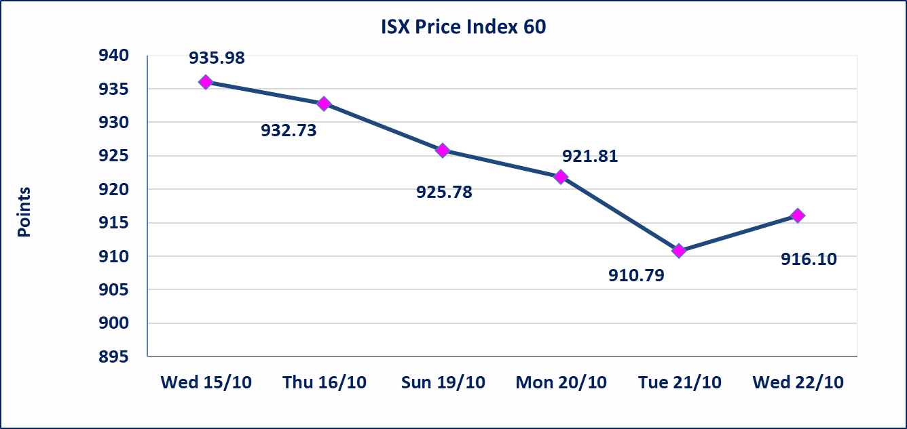
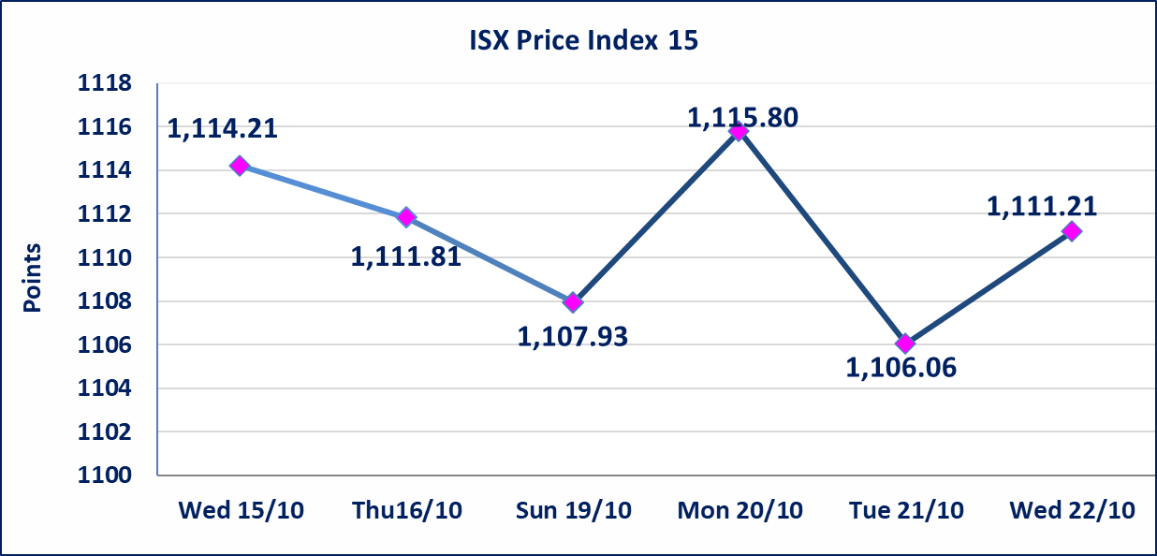

Al-Alwiya P.O . 3607 Mobile: 07711211522 - 07270094594 - 07834000034 E-mail: info-isx@isx-iq.net Web site:www.isx-iq.net

Top 5
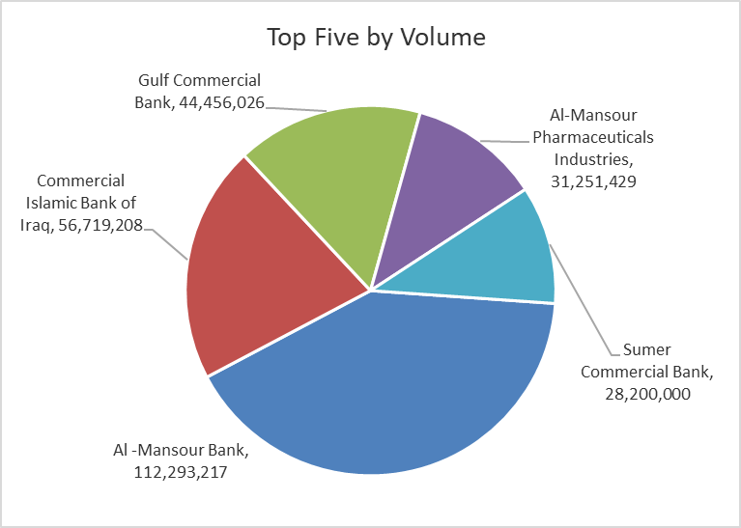
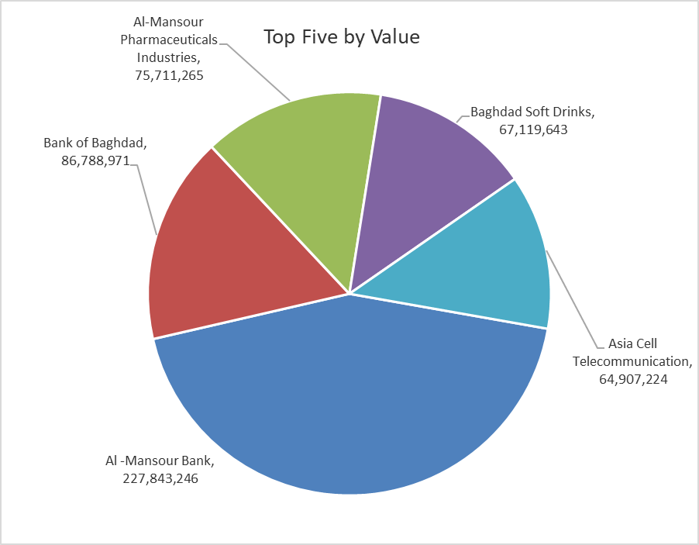
ISX top ganing and losing companies
Wednesday 22/10/2025
Gainers |  |  |  | Losers
Company Name | Closing Price | Change (%) | Traded Volume | Company Name | Closing Price | Change (%) | Traded Volume
Al-Ahlyia agricultural production | 2.770 | 13.06 | 14,000 | International Islamic Bank | 0.240 | -17.24 | 45,000
Modern Construction Materials | 0.580 | 3.57 | 3,846,363 | Iraqi Agricultural Products | 11.100 | -14.62 | 72,136
Iraqi For Tufted Carpets | 16.500 | 3.13 | 100,000 | Trans Iraq Bank Investment | 0.240 | -7.69 | 4,000,000
Fallujah for construction Materials | 3.430 | 3.00 | 3,525,647 | Iraq Noor Islamic Bank for Investment | 0.150 | -6.25 | 19,558,327
Ashour Hotel | 30.000 | 2.56 | 129,702 | Al-Sadeer Hotel | 23.500 | -6.00 | 50,000

The most active companies in term of traded volume and value

Traded Volume |  |  |  | Traded Value
Company Name | Closing Price | Change (%) | Traded Volume | Company Name | Closing Price | Change (%) | Traded Value
Al -Mansour Bank | 2.030 | 0.00 | 112,293,217 | Al -Mansour Bank | 2.030 | 0.00 | 227,843,246
Commercial Islamic Bank of Iraq | 0.690 | 0.00 | 56,719,208 | Bank of Baghdad | 3.400 | 1.19 | 86,788,971
Gulf Commercial Bank | 0.280 | 0.00 | 44,456,026 | Al-Mansour Pharmaceuticals Industries | 2.440 | -0.41 | 75,711,265
Al-Mansour Pharmaceuticals Industries | 2.440 | -0.41 | 31,251,429 | Baghdad Soft Drinks | 4.450 | 1.14 | 67,119,643
Sumer Commercial Bank | 0.090 | 0.00 | 28,200,000 | Asia Cell Telecommunication | 11.900 | 2.15 | 64,907,224

Non Iraqis

Iraq Stock Exchange
Non Iraqis' Bulletin Wednesday Oct 22 2025
Regular Market

Non Iraqi Trading of Regular Market (Buy)
Company Names | Code | No.of trades | Traded Shares | Trading Volume
Banks Sector
Bank Of Baghdad | BBOB | 3 | 85,000 | 285,600
Iraqi Islamic Bank | BIIB | 4 | 2,000,000 | 1,980,000
Al-Mansour Bank | BMNS | 15 | 50,147,000 | 101,798,410
Total Bank sector |  | 22 | 52,232,000 | 104,064,010
Telecommunication Sector
Asia cell | TASC | 6 | 30,000 | 349,500
Total Telecommunication sector |  | 6 | 30,000 | 349,500
Grand Total |  | 28 | 52262000 | 104413510

Non Iraqi Trading of Regular Market (Sell)
Company Names | Code | No.of trades | Traded Shares | Trading Volume
Banks Sector
Commercial Bank of Iraq | BCOI | 22 | 32,000,000 | 21,890,000
Total Bank sector |  | 22 | 32,000,000 | 21,890,000
Grand Total |  | 22 | 32000000 | 21890000

